Market_Sentiment
Sentiment Score
Date | Flow Sentiment | Sentiment Score | Put to Call Ratio | Put Flow | PUT % | Call Flow | Call %
2020-02-05 | Bullish | 88 | 0.344 | 124,444 | 26% | 361,896 | 74%
2020-02-05 | Bullish | 87 | 0.362 | 148,502 | 27% | 410,443 | 73%
2020-02-05 | Bullish | 87 | 0.358 | 150,402 | 26% | 420,629 | 74%
2020-02-05 | Bullish | 87 | 0.364 | 154,525 | 27% | 425,089 | 73%
2020-02-05 | Bullish | 87 | 0.366 | 157,525 | 27% | 430,684 | 73%
2020-02-05 | Bullish | 87 | 0.367 | 158,403 | 27% | 431,937 | 73%
2020-02-05 | Bullish | 86 | 0.375 | 162,903 | 27% | 434,554 | 73%
2020-02-05 | Bullish | 86 | 0.372 | 163,907 | 27% | 440,131 | 73%
2020-02-05 | Bullish | 86 | 0.372 | 164,407 | 27% | 441,728 | 73%
2020-02-05 | Bullish | 86 | 0.375 | 166,290 | 27% | 443,668 | 73%
2020-02-05 | Bullish | 86 | 0.374 | 166,290 | 27% | 444,668 | 73%
2020-02-05 | Bullish | 86 | 0.375 | 168,625 | 27% | 449,194 | 73%
2020-02-05 | Bullish | 85 | 0.392 | 176,088 | 28% | 449,194 | 72%
2020-02-05 | Bullish | 85 | 0.39 | 178,087 | 28% | 456,297 | 72%
2020-02-05 | Bullish | 85 | 0.392 | 179,433 | 28% | 457,855 | 72%
2020-02-05 | Bullish | 84 | 0.392 | 182,927 | 28% | 466,484 | 72%
2020-02-05 | Bullish | 84 | 0.399 | 189,269 | 29% | 473,966 | 71%
2020-02-05 | Bullish | 84 | 0.4 | 189,844 | 29% | 474,766 | 71%
2020-02-05 | Bullish | 84 | 0.404 | 193,061 | 29% | 478,109 | 71%
2020-02-05 | Bullish | 84 | 0.402 | 194,022 | 29% | 482,173 | 71%
2020-02-05 | Bullish | 84 | 0.401 | 195,593 | 29% | 487,916 | 71%
2020-02-05 | Bullish | 84 | 0.397 | 195,593 | 28% | 492,188 | 72%
2020-02-05 | Bullish | 84 | 0.398 | 197,593 | 28% | 496,965 | 72%
2020-02-05 | Bullish | 84 | 0.395 | 197,593 | 28% | 499,665 | 72%
2020-02-05 | Bullish | 84 | 0.391 | 197,593 | 28% | 505,635 | 72%
2020-02-05 | Bullish | 84 | 0.39 | 197,593 | 28% | 507,283 | 72%
2020-02-05 | Bullish | 84 | 0.39 | 199,121 | 28% | 510,365 | 72%
2020-02-05 | Bullish | 84 | 0.392 | 200,037 | 28% | 510,365 | 72%
2020-02-05 | Bullish | 84 | 0.391 | 200,037 | 28% | 511,816 | 72%
2020-02-05 | Bullish | 84 | 0.389 | 200,618 | 28% | 515,946 | 72%
2020-02-05 | Bullish | 84 | 0.387 | 200,618 | 28% | 517,941 | 72%
2020-02-05 | Bullish | 84 | 0.387 | 200,618 | 28% | 517,941 | 72%
2020-02-05 | Bullish | 84 | 0.386 | 201,226 | 28% | 521,315 | 72%
2020-02-05 | Bullish | 84 | 0.383 | 202,031 | 28% | 528,117 | 72%
2020-02-05 | Bullish | 85 | 0.377 | 202,031 | 27% | 536,353 | 73%
2020-02-05 | Bullish | 85 | 0.373 | 202,031 | 27% | 542,096 | 73%
2020-02-05 | Bullish | 85 | 0.371 | 202,031 | 27% | 544,965 | 73%
2020-02-05 | Bullish | 85 | 0.369 | 202,031 | 27% | 546,830 | 73%
2020-02-05 | Bullish | 85 | 0.366 | 204,143 | 27% | 557,138 | 73%
2020-02-05 | Bullish | 85 | 0.377 | 210,443 | 27% | 557,982 | 73%
2020-02-05 | Bullish | 85 | 0.379 | 211,706 | 27% | 559,148 | 73%
2020-02-05 | Bullish | 85 | 0.377 | 211,706 | 27% | 561,416 | 73%
2020-02-05 | Bullish | 85 | 0.376 | 211,706 | 27% | 562,846 | 73%
2020-02-05 | Bullish | 85 | 0.376 | 211,706 | 27% | 563,350 | 73%
2020-02-05 | Bullish | 85 | 0.374 | 212,486 | 27% | 567,567 | 73%
2020-02-05 | Bullish | 85 | 0.372 | 214,222 | 27% | 575,391 | 73%
2020-02-05 | Bullish | 86 | 0.37 | 214,222 | 27% | 579,303 | 73%
2020-02-05 | Bullish | 86 | 0.367 | 214,722 | 27% | 584,910 | 73%
2020-02-05 | Bullish | 86 | 0.366 | 214,722 | 27% | 587,410 | 73%
2020-02-05 | Bullish | 86 | 0.365 | 214,722 | 27% | 588,523 | 73%
2020-02-05 | Bullish | 86 | 0.363 | 214,722 | 27% | 591,601 | 73%
2020-02-05 | Bullish | 86 | 0.364 | 215,522 | 27% | 592,426 | 73%
2020-02-05 | Bullish | 86 | 0.367 | 217,724 | 27% | 593,151 | 73%
2020-02-05 | Bullish | 86 | 0.367 | 218,890 | 27% | 596,394 | 73%
2020-02-05 | Bullish | 86 | 0.367 | 218,890 | 27% | 596,690 | 73%
2020-02-05 | Bullish | 86 | 0.366 | 218,890 | 27% | 597,692 | 73%
2020-02-05 | Bullish | 86 | 0.366 | 218,890 | 27% | 597,692 | 73%
2020-02-05 | Bullish | 82 | 0.396 | 101,254 | 28% | 255,671 | 72%
2020-02-05 | Bullish | 81 | 0.415 | 107,904 | 29% | 260,116 | 71%
2020-02-05 | Bullish | 81 | 0.415 | 107,904 | 29% | 260,116 | 71%
2020-02-05 | Bullish | 81 | 0.414 | 107,904 | 29% | 260,793 | 71%
2020-02-05 | Bullish | 81 | 0.416 | 108,407 | 29% | 260,848 | 71%
2020-02-05 | Bullish | 81 | 0.416 | 109,057 | 29% | 262,010 | 71%
2020-02-05 | Bullish | 81 | 0.419 | 109,799 | 30% | 262,010 | 70%
2020-02-05 | Bullish | 81 | 0.42 | 111,330 | 30% | 265,010 | 70%
2020-02-05 | Bullish | 81 | 0.419 | 111,330 | 30% | 265,573 | 70%
2020-02-05 | Bullish | 81 | 0.418 | 111,330 | 29% | 266,622 | 71%
2020-02-05 | Bullish | 81 | 0.404 | 111,330 | 29% | 275,469 | 71%
2020-02-05 | Bullish | 82 | 0.403 | 111,330 | 29% | 276,170 | 71%
2020-02-05 | Bullish | 82 | 0.403 | 111,330 | 29% | 276,270 | 71%
2020-02-05 | Bullish | 82 | 0.403 | 111,330 | 29% | 276,270 | 71%
2020-02-05 | Bullish | 81 | 0.418 | 115,734 | 29% | 276,844 | 71%
2020-02-05 | Bullish | 81 | 0.429 | 118,734 | 30% | 276,844 | 70%
2020-02-05 | Bullish | 81 | 0.425 | 118,734 | 30% | 279,671 | 70%
2020-02-05 | Bullish | 81 | 0.421 | 118,734 | 30% | 281,952 | 70%
2020-02-05 | Bullish | 81 | 0.421 | 118,734 | 30% | 281,952 | 70%
2020-02-05 | Bullish | 81 | 0.419 | 118,734 | 30% | 283,122 | 70%
2020-02-05 | Bullish | 81 | 0.43 | 122,117 | 30% | 283,751 | 70%
2020-02-05 | Bullish | 81 | 0.43 | 122,117 | 30% | 283,751 | 70%
2020-02-05 | Bullish | 81 | 0.429 | 122,117 | 30% | 284,443 | 70%
2020-02-05 | Bullish | 82 | 0.415 | 122,117 | 29% | 293,991 | 71%
2020-02-05 | Bullish | 82 | 0.414 | 122,117 | 29% | 294,727 | 71%
2020-02-05 | Bullish | 82 | 0.413 | 122,117 | 29% | 295,674 | 71%
2020-02-05 | Bullish | 82 | 0.391 | 122,117 | 28% | 312,067 | 72%
2020-02-05 | Bullish | 81 | 0.392 | 123,837 | 28% | 315,636 | 72%
2020-02-05 | Bullish | 81 | 0.392 | 124,954 | 28% | 319,093 | 72%
2020-02-05 | Bullish | 82 | 0.388 | 124,954 | 28% | 321,632 | 72%
2020-02-05 | Bullish | 82 | 0.391 | 125,754 | 28% | 321,632 | 72%
2020-02-05 | Bullish | 82 | 0.391 | 126,769 | 28% | 324,402 | 72%
2020-02-05 | Bullish | 82 | 0.393 | 127,691 | 28% | 324,582 | 72%
2020-02-05 | Bullish | 82 | 0.382 | 127,952 | 28% | 334,540 | 72%
2020-02-05 | Bullish | 81 | 0.385 | 129,271 | 28% | 335,892 | 72%
2020-02-05 | Bullish | 82 | 0.377 | 129,771 | 27% | 344,048 | 73%
2020-02-05 | Bullish | 81 | 0.387 | 134,771 | 28% | 348,682 | 72%
2020-02-05 | Bullish | 81 | 0.392 | 136,568 | 28% | 348,682 | 72%
2020-02-05 | Bullish | 81 | 0.392 | 136,568 | 28% | 348,682 | 72%
2020-02-05 | Bullish | 81 | 0.392 | 136,568 | 28% | 348,682 | 72%
2020-02-05 | Bullish | 81 | 0.392 | 136,568 | 28% | 348,682 | 72%
2020-02-05 | Bullish | 81 | 0.392 | 136,568 | 28% | 348,682 | 72%
2020-02-05 | Bullish | 81 | 0.392 | 136,568 | 28% | 348,682 | 72%
2020-02-05 | Bullish | 81 | 0.392 | 136,568 | 28% | 348,682 | 72%
2020-02-05 | Bullish | 81 | 0.392 | 136,568 | 28% | 348,682 | 72%
2020-02-05 | Bullish | 81 | 0.392 | 136,568 | 28% | 348,682 | 72%
2020-02-05 | Bullish | 81 | 0.392 | 136,568 | 28% | 348,682 | 72%
2020-02-05 | Bullish | 81 | 0.392 | 136,568 | 28% | 348,682 | 72%
2020-02-05 | Bullish | 81 | 0.392 | 136,568 | 28% | 348,682 | 72%
2020-02-05 | Bullish | 81 | 0.392 | 136,568 | 28% | 348,682 | 72%
2020-02-05 | Bullish | 81 | 0.392 | 136,568 | 28% | 348,682 | 72%
2020-02-05 | Bullish | 81 | 0.392 | 136,568 | 28% | 348,682 | 72%
2020-02-05 | Bullish | 81 | 0.392 | 136,568 | 28% | 348,682 | 72%
2020-02-05 | Bullish | 81 | 0.392 | 136,568 | 28% | 348,682 | 72%
2020-02-05 | Bullish | 81 | 0.392 | 136,568 | 28% | 348,682 | 72%
2020-02-05 | Bullish | 81 | 0.392 | 136,568 | 28% | 348,682 | 72%
2020-02-05 | Bullish | 81 | 0.392 | 136,568 | 28% | 348,682 | 72%
2020-02-05 | Bullish | 81 | 0.392 | 136,568 | 28% | 348,682 | 72%
2020-02-05 | Bullish | 81 | 0.392 | 136,568 | 28% | 348,682 | 72%
2020-02-05 | Bullish | 81 | 0.392 | 136,568 | 28% | 348,682 | 72%
2020-02-05 | Bullish | 81 | 0.392 | 136,568 | 28% | 348,682 | 72%
2020-02-05 | Bullish | 81 | 0.392 | 136,568 | 28% | 348,682 | 72%
2020-02-05 | Bullish | 81 | 0.392 | 136,568 | 28% | 348,682 | 72%
2020-02-05 | Bullish | 81 | 0.392 | 136,568 | 28% | 348,682 | 72%
2020-02-05 | Bullish | 81 | 0.392 | 136,568 | 28% | 348,682 | 72%
2020-02-05 | Bullish | 81 | 0.392 | 136,568 | 28% | 348,682 | 72%
2020-02-05 | Bullish | 81 | 0.392 | 136,568 | 28% | 348,682 | 72%
2020-02-05 | Bullish | 81 | 0.392 | 136,568 | 28% | 348,682 | 72%
2020-02-05 | Bullish | 81 | 0.392 | 136,568 | 28% | 348,682 | 72%
2020-02-05 | Bullish | 81 | 0.392 | 136,568 | 28% | 348,682 | 72%
2020-02-05 | Bullish | 81 | 0.392 | 136,568 | 28% | 348,682 | 72%
2020-02-05 | Bullish | 81 | 0.392 | 136,568 | 28% | 348,682 | 72%
2020-02-05 | Bullish | 81 | 0.392 | 136,568 | 28% | 348,682 | 72%
2020-02-05 | Bullish | 81 | 0.392 | 136,568 | 28% | 348,682 | 72%
2020-02-05 | Bullish | 81 | 0.392 | 136,568 | 28% | 348,682 | 72%
2020-02-05 | Bullish | 81 | 0.392 | 136,568 | 28% | 348,682 | 72%
2020-02-05 | Bullish | 81 | 0.392 | 136,568 | 28% | 348,682 | 72%
2020-02-05 | Bullish | 81 | 0.392 | 136,568 | 28% | 348,682 | 72%
2020-02-05 | Bullish | 81 | 0.392 | 136,568 | 28% | 348,682 | 72%
2020-02-05 | Bullish | 81 | 0.392 | 136,568 | 28% | 348,682 | 72%
2020-02-05 | Bullish | 81 | 0.392 | 136,568 | 28% | 348,682 | 72%
2020-02-05 | Bullish | 81 | 0.392 | 136,568 | 28% | 348,682 | 72%
2020-02-05 | Bullish | 81 | 0.392 | 136,568 | 28% | 348,682 | 72%
2020-02-05 | Bullish | 81 | 0.392 | 136,568 | 28% | 348,682 | 72%
2020-02-05 | Bullish | 81 | 0.392 | 136,568 | 28% | 348,682 | 72%
2020-02-05 | Bullish | 81 | 0.392 | 136,568 | 28% | 348,682 | 72%
2020-02-05 | Bullish | 81 | 0.392 | 136,568 | 28% | 348,682 | 72%
2020-02-05 | Bullish | 81 | 0.392 | 136,568 | 28% | 348,682 | 72%
2020-02-05 | Bullish | 81 | 0.392 | 136,568 | 28% | 348,682 | 72%
2020-02-05 | Bullish | 81 | 0.392 | 136,568 | 28% | 348,682 | 72%
2020-02-05 | Bullish | 81 | 0.392 | 136,568 | 28% | 348,682 | 72%
2020-02-05 | Bullish | 81 | 0.392 | 136,568 | 28% | 348,682 | 72%
2020-02-05 | Bullish | 81 | 0.392 | 136,568 | 28% | 348,682 | 72%
2020-02-05 | Bullish | 81 | 0.392 | 136,568 | 28% | 348,682 | 72%
2020-02-05 | Bullish | 81 | 0.392 | 136,568 | 28% | 348,682 | 72%
2020-02-05 | Bullish | 81 | 0.392 | 136,568 | 28% | 348,682 | 72%
2020-02-05 | Bullish | 81 | 0.392 | 136,568 | 28% | 348,682 | 72%
2020-02-05 | Bullish | 81 | 0.392 | 136,568 | 28% | 348,682 | 72%
2020-02-05 | Bullish | 81 | 0.392 | 136,568 | 28% | 348,682 | 72%
2020-02-05 | Bullish | 81 | 0.392 | 136,568 | 28% | 348,682 | 72%
2020-02-05 | Bullish | 81 | 0.392 | 136,568 | 28% | 348,682 | 72%
2020-02-05 | Bullish | 81 | 0.392 | 136,568 | 28% | 348,682 | 72%
2020-02-05 | Bullish | 81 | 0.392 | 136,568 | 28% | 348,682 | 72%
2020-02-05 | Bullish | 81 | 0.392 | 136,568 | 28% | 348,682 | 72%
2020-02-05 | Bullish | 81 | 0.392 | 136,568 | 28% | 348,682 | 72%
2020-02-05 | Bullish | 81 | 0.392 | 136,568 | 28% | 348,682 | 72%
2020-02-05 | Bullish | 81 | 0.392 | 136,568 | 28% | 348,682 | 72%
2020-02-05 | Bullish | 81 | 0.392 | 136,568 | 28% | 348,682 | 72%
2020-02-05 | Bullish | 81 | 0.392 | 136,568 | 28% | 348,682 | 72%
2020-02-05 | Bullish | 81 | 0.392 | 136,568 | 28% | 348,682 | 72%
2020-02-05 | Bullish | 81 | 0.392 | 136,568 | 28% | 348,682 | 72%
2020-02-05 | Bullish | 81 | 0.392 | 136,568 | 28% | 348,682 | 72%
2020-02-05 | Bullish | 81 | 0.392 | 136,568 | 28% | 348,682 | 72%
2020-02-05 | Bullish | 81 | 0.392 | 136,568 | 28% | 348,682 | 72%
2020-02-05 | Bullish | 81 | 0.392 | 136,568 | 28% | 348,682 | 72%
2020-02-05 | Bullish | 81 | 0.392 | 136,568 | 28% | 348,682 | 72%
2020-02-05 | Bullish | 81 | 0.392 | 136,568 | 28% | 348,682 | 72%
2020-02-05 | Bullish | 81 | 0.392 | 136,568 | 28% | 348,682 | 72%
2020-02-05 | Bullish | 81 | 0.392 | 136,568 | 28% | 348,682 | 72%
2020-02-05 | Bullish | 81 | 0.392 | 136,568 | 28% | 348,682 | 72%
2020-02-05 | Bullish | 81 | 0.392 | 136,568 | 28% | 348,682 | 72%
2020-02-05 | Bullish | 81 | 0.392 | 136,568 | 28% | 348,682 | 72%
2020-02-05 | Bullish | 81 | 0.392 | 136,568 | 28% | 348,682 | 72%

Snapshot
CALL SNAPSHOT - Top 20
PUT SNAPSHOT -TOP 20

How_To_Interpret
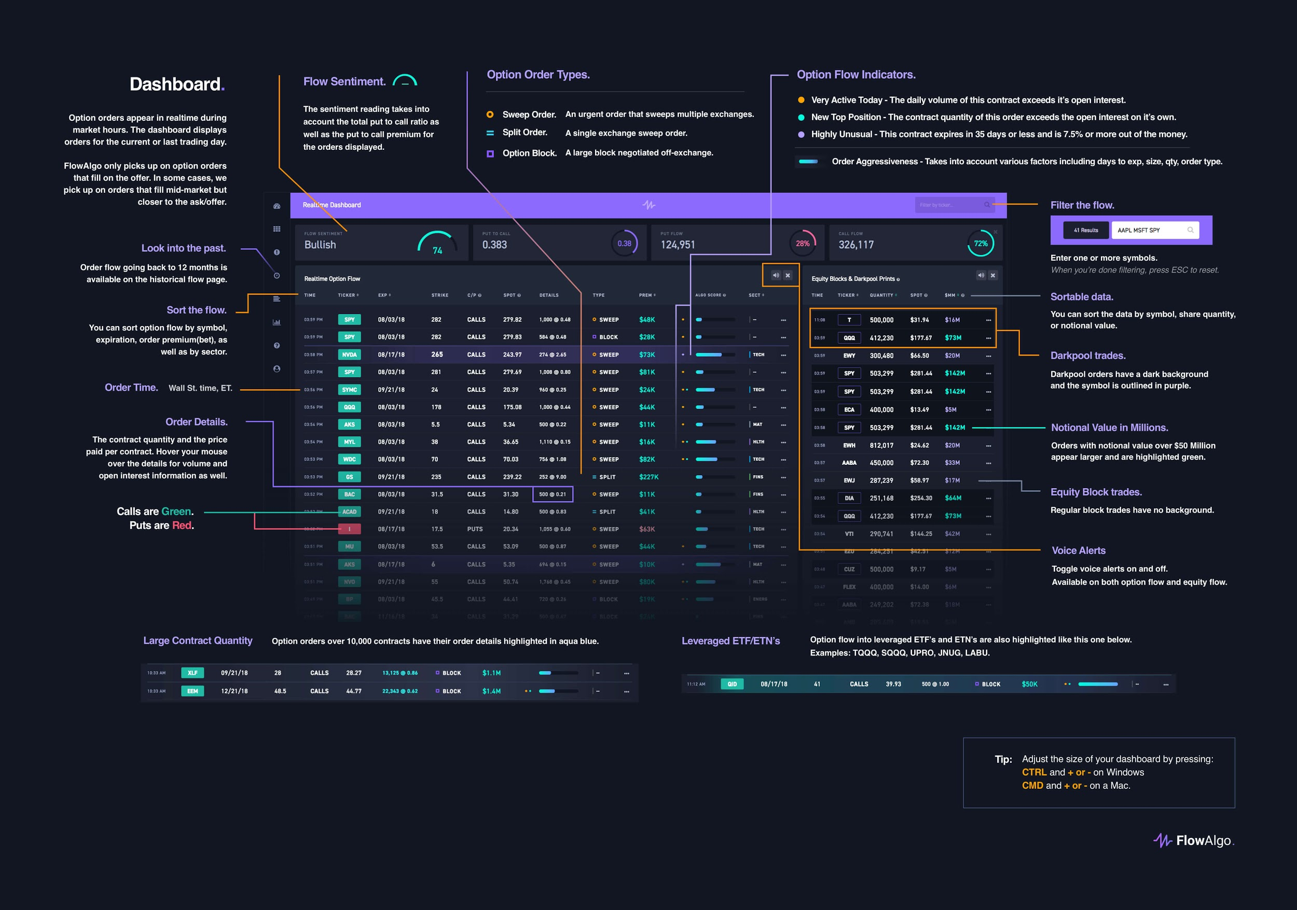
Notes:
Formatting for Realtime_Options Sheet | Main Dashboard Help Menu
Ticker/Premium Paid = Red (Puts), Green (Calls)
Strike = Blue (if In The Money transaction)
Mark Column = Refer Option Flow Indicator in help menu -->

